Valuation
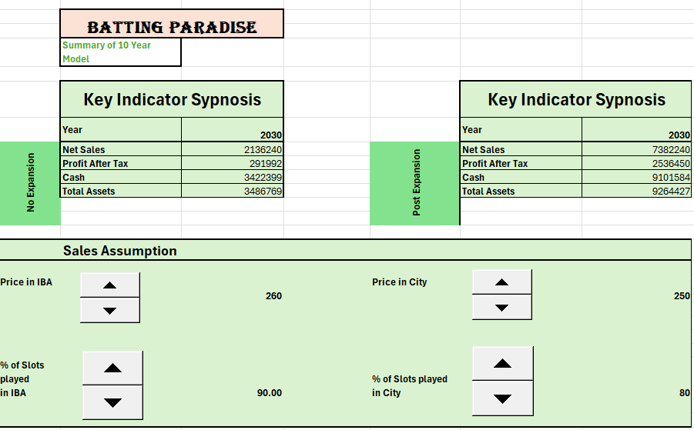
 |  |  |  | Batting Paradise

Factors | Basis
Risk Free Rate | 10 Year Government bond yeild | 11.85%
Beta of Stock | 10year Beta | 0.87
Market return | KSE 100 | 21%
Cost of equity | CAPM | 30%
Cost of Debt | Average of all debt | 15%
Tax Rate | Asumptions | 20%
Sustainable Growth Rate | GDP growth | 5% |  |  |  |  | No Expansion |  |  |  |  |  | Post Expansion

 | 2025 | 2026 | 2027 | 2028 | 2029 |  | 2030 | 2031 | 2032 | 2033 | 2034 |  | 2030 | 2031 | 2032 | 2033 | 2034
 | Rs(000) | Rs(000) | Rs(000) | Rs(000) | Rs(000) |  | Rs(000) | Rs(000) | Rs(000) | Rs(000) | Rs(000) |  | Rs(000) | Rs(000) | Rs(000) | Rs(000) | Rs(000)
Period | 1 | 2 | 3 | 4 | 5 |  | 6 | 7 | 8 | 9 | 10 |  | 6 | 7 | 8 | 9 | 10
Debt | 285,714 | 95,238 | 285,714 | 285,714 | 285,714 |  | 285,714 | 285,714 | - | - | - |  | 2,329,079 | 1,740,637 | 778,214 | - | -
Equity | 1,803,565 | 1,070,036 | 821,977 | 1,052,281 | 1,334,557 |  | 1,597,350 | 1,778,793 | 1,763,242 | 1,187,167 | (681,470) |  | 4,917,362 | 7,339,294 | 9,923,030 | 12,280,573 | 13,827,889
Debt+Equity | 2,089,279 | 1,165,274 | 1,107,691 | 1,337,995 | 1,620,271 |  | 1,883,064 | 2,064,508 | 1,763,242 | 1,187,167 | (681,470) |  | 7,246,441 | 9,079,931 | 10,701,244 | 12,280,573 | 13,827,889
Weight of Debt | 14% | 8% | 26% | 21% | 18% |  | 15% | 14% | 0% | 0% | 0% |  | 32% | 19% | 7% | 0% | 0%
Weight of Equity | 86% | 92% | 74% | 79% | 82% |  | 85% | 86% | 100% | 100% | 100% |  | 68% | 81% | 93% | 100% | 100%
Tax Rate | 20% | 20% | 20% | 20% | 20% |  | 20% | 20% | 20% | 20% | 20% |  | 20% | 20% | 20% | 20% | 20%
wd(rd)(1-T) | 2% | 1% | 3% | 3% | 2% |  | 2% | 2% | 0% | 0% | 0% |  | 4% | 2% | 1% | 0% | 0%
ws(rs) | 26% | 28% | 22% | 24% | 25% |  | 25% | 26% | 30% | 30% | 30% |  | 20% | 24% | 28% | 30% | 30%
Weighted Average Cost Of Capital (WACC) | 28% | 29% | 25% | 26% | 27% |  | 27% | 28% | 30% | 30% | 30% |  | 24% | 27% | 29% | 30% | 30%

Cashflow from Operations | 359,031 | 946,331 | 888,639 | 283,177 | 362,194 | - | 388,958 | 348,568 | 228,497 | (144,837) | (953,191) |  | 4,341,820 | 2,832,837 | 3,110,296 | 3,102,538 | 2,652,161
Add Interest (Tax Adjusted) | - | - | - | - | - |  | - | - | - | - | - |  | 360,000 | 306,606 | 245,204 | 174,591 | 93,386
Less Capex | (84,535) | 33,231 | 33,024 | (88,957) | 28,221 |  | 17,932 | 26,384 | 26,096 | (9,078) | 8,682 |  | (74,664) | 37,723 | 36,526 | 574 | 9,621
Free Cashflow to Firm | 274,496 | 979,562 | 921,663 | 194,221 | 390,415 | - | 406,889 | 374,952 | 254,593 | (153,915) | (944,509) | - | 4,627,156 | 3,177,166 | 3,392,026 | 3,277,702 | 2,755,168
Discounted Cashflows | 274,496 | 762,084 | 586,444 | 96,715 | 150,866 | - | 121,824 | 87,211 | 40,553 | (18,858) | (89,010) | - | 1,564,376 | 773,262 | 579,989 | 401,584 | 259,646
No Expansion
 | -26835 | -26835
 | 25599 | 25599
 | 37638 | 37638
 | 29316 | 29316
 | 41803 | 41803
 | 3577 | 3577
 | 28115 | 28115
 | 724 | 724
 | 35701 | 35701
 | 26351 | 26351
 | 39167 | 39167
 | 11808 | 11808
 | 160171 | 160171
 | 183766 | 183766
 | 178826 | 178826
 | 246554 | 246554
 | 313640 | 282276
 | 291992 | 262792.8
 | 201604 | 181443.6
 | -15551 | -15551
 | -576075 | -576075
 | -1868637 | -1868637
Post Expansion
 | -26835 | -26835
 | 25599 | 25599
 | 37638 | 37638
 | 29316 | 29316
 | 41803 | 41803
 | 3577 | 3577
 | 28115 | 28115
 | 724 | 724
 | 35701 | 35701
 | 26351 | 26351
 | 39167 | 39167
 | 11808 | 11808
 | 160171 | 160171
 | 183766 | 183766
 | 178826 | 178826
 | 246554 | 246554
 | 313640 | 282276
 | 2536450 | 2282805
 | 2691035 | 2421931.5
 | 2870818 | 2583736.2
 | 2619492 | 2357542.8
 | 1719241 | 1547316.9
 | If Not Expanded |  |  | Post Expansion
Net Present Value | 2,012,325 |  |  | Net Present Value | 5,449,462
Terminal Value | (373,704.23) |  |  | Terminal Value | 1,090,109.71

Value of Firm | 1,638,621 |  |  | Value of Firm | 6,539,572
No. Of Shares | No Shares Yet |  |  | No. Of Shares | 16,250
 |  |  |  | Value per Share | 402.44

We Should Go For Expansion to Remain with Positive Value of Firm in Upcoming Future

